Picture
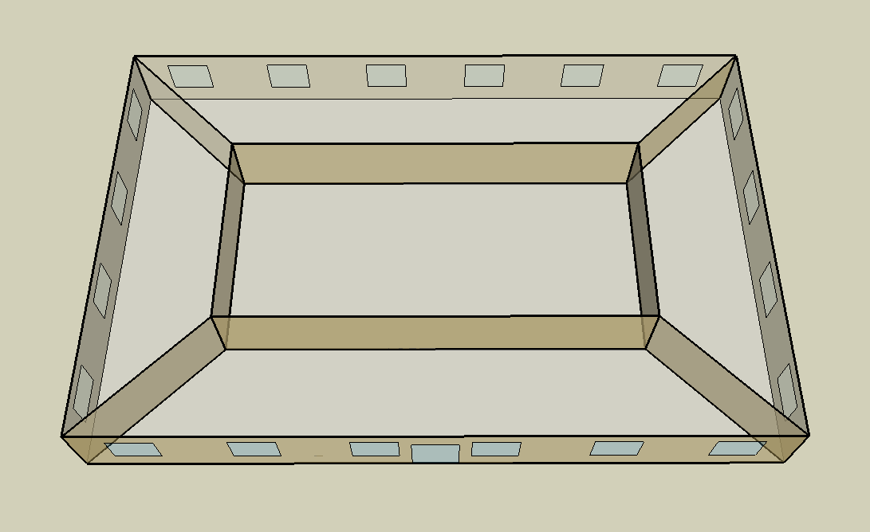
DOE Commercial Building Benchmark - Small Office

Electricity
 | Cooling | Interior Lighting | Exterior Lighting | Interior Equipment | Fans
Miami | 33,708.33 | 28,511.11 | 5,083.33 | 18,275.00 | 20,091.67
Houston | 25,430.56 | 28,511.11 | 5,080.56 | 18,275.00 | 22,041.67
Phoenix | 28,961.11 | 28,511.11 | 5,080.56 | 18,275.00 | 23,847.22
Atlanta | 16,919.44 | 28,511.11 | 5,080.56 | 18,275.00 | 23,477.78
Los Angeles | 12,425.00 | 28,511.11 | 5,075.00 | 18,275.00 | 18,563.89
Las Vegas | 22,327.78 | 28,511.11 | 5,075.00 | 18,275.00 | 24,113.89
San Francisco | 6,438.89 | 28,511.11 | 5,077.78 | 18,275.00 | 18,005.56
Baltimore | 12,319.44 | 28,511.11 | 5,075.00 | 18,275.00 | 23,658.33
Albuquerque | 12,919.44 | 28,511.11 | 5,075.00 | 18,275.00 | 23,902.78
Seattle | 4,738.89 | 28,511.11 | 5,066.67 | 18,275.00 | 21,666.67
Chicago | 8,791.67 | 28,511.11 | 5,075.00 | 18,275.00 | 25,044.44
Boulder | 7,252.78 | 28,511.11 | 5,072.22 | 18,275.00 | 25,613.89
Minneapolis | 7,561.11 | 28,511.11 | 5,072.22 | 18,275.00 | 27,683.33
Helena | 4,277.78 | 28,511.11 | 5,069.44 | 18,275.00 | 29,633.33
Duluth | 3,627.78 | 28,511.11 | 5,066.67 | 18,275.00 | 30,655.56
Fairbanks | 2,402.78 | 28,511.11 | 5,036.11 | 18,275.00 | 39,800.00

Gas
 | Heating | Water Systems
Miami | 1,720.00 | 10,690.00
Houston | 41,670.00 | 11,090.00
Phoenix | 29,410.00 | 10,860.00
Atlanta | 91,040.00 | 11,470.00
Los Angeles | 17,930.00 | 11,400.00
Las Vegas | 57,760.00 | 11,130.00
San Francisco | 59,850.00 | 11,730.00
Baltimore | 165,270.00 | 11,770.00
Albuquerque | 118,370.00 | 11,720.00
Seattle | 132,760.00 | 11,930.00
Chicago | 217,440.00 | 12,040.00
Boulder | 165,960.00 | 12,020.00
Minneapolis | 291,820.00 | 12,270.00
Helena | 229,020.00 | 12,310.00
Duluth | 370,230.00 | 12,650.00
Fairbanks | 664,520.00 | 13,100.00

EUI
 | Cooling (elec) | Interior Lighting (elec) | Exterior Lighting (elec) | Interior Equipment (elec) | Fans (elec) | Heating (gas) | Water Systems (gas)
Miami | 237.40 | 200.80 | 35.80 | 128.71 | 141.50 | 3.36 | 20.91
Houston | 179.10 | 200.80 | 35.78 | 128.71 | 155.24 | 81.52 | 21.70
Phoenix | 203.97 | 200.80 | 35.78 | 128.71 | 167.95 | 57.54 | 21.25
Atlanta | 119.16 | 200.80 | 35.78 | 128.71 | 165.35 | 178.10 | 22.44
Los Angeles | 87.51 | 200.80 | 35.74 | 128.71 | 130.74 | 35.08 | 22.30
Las Vegas | 157.25 | 200.80 | 35.74 | 128.71 | 169.83 | 113.00 | 21.77
San Francisco | 45.35 | 200.80 | 35.76 | 128.71 | 126.81 | 117.09 | 22.95
Baltimore | 86.76 | 200.80 | 35.74 | 128.71 | 166.62 | 323.32 | 23.03
Albuquerque | 90.99 | 200.80 | 35.74 | 128.71 | 168.34 | 231.57 | 22.93
Seattle | 33.38 | 200.80 | 35.68 | 128.71 | 152.59 | 259.72 | 23.34
Chicago | 61.92 | 200.80 | 35.74 | 128.71 | 176.38 | 425.39 | 23.55
Boulder | 51.08 | 200.80 | 35.72 | 128.71 | 180.39 | 324.67 | 23.52
Minneapolis | 53.25 | 200.80 | 35.72 | 128.71 | 194.97 | 570.90 | 24.00
Helena | 30.13 | 200.80 | 35.70 | 128.71 | 208.70 | 448.04 | 24.08
Duluth | 25.55 | 200.80 | 35.68 | 128.71 | 215.90 | 724.29 | 24.75
Fairbanks | 16.92 | 200.80 | 35.47 | 128.71 | 280.30 | 1300.02 | 25.63

Water
 | Total Building | Water for Electricity (m3)
Miami | 17.63 | 55.98
Houston | 17.63 | 161.64
Phoenix | 17.63 | 3,109.34
Atlanta | 17.63 | 576.06
Los Angeles | 17.63 | 1,454.69
Las Vegas | 17.63 | 2,696.82
San Francisco | 17.63 | 1,339.82
Baltimore | 17.63 | 19.94
Albuquerque | 17.63 | 402.71
Seattle | 17.63 | 799.53
Chicago | 17.63 | 132.96
Boulder | 17.63 | 384.73
Minneapolis | 17.63 | 135.13
Helena | 17.63 | 5,432.87
Duluth | 17.63 | 133.64
Fairbanks | 17.63 | 96.06

Carbon
 | Carbon Equivalent (kg)
Miami | 29,203.68
Houston | 34,087.26
Phoenix | 32,325.35
Atlanta | 30,269.28
Los Angeles | 10,211.35
Las Vegas | 34,397.18
San Francisco | 10,208.61
Baltimore | 26,896.39
Albuquerque | 38,574.21
Seattle | 8,308.88
Chicago | 49,828.51
Boulder | 37,820.34
Minneapolis | 35,297.50
Helena | 35,694.51
Duluth | 36,388.34
Fairbanks | 38,676.49

LtgSch
Lighting Schedules
 | WD | Sat | Sun, Hol, Other
 | 0.05 | 0.05 | 0.05
 | 0.05 | 0.05 | 0.05
 | 0.05 | 0.05 | 0.05
 | 0.05 | 0.05 | 0.05
 | 0.05 | 0.05 | 0.05
 | 0.1 | 0.05 | 0.05
 | 0.1 | 0.1 | 0.05
 | 0.3 | 0.1 | 0.05
 | 0.9 | 0.3 | 0.05
 | 0.9 | 0.3 | 0.05
 | 0.9 | 0.3 | 0.05
 | 0.9 | 0.3 | 0.05
 | 0.9 | 0.15 | 0.05
 | 0.9 | 0.15 | 0.05
 | 0.9 | 0.15 | 0.05
 | 0.9 | 0.15 | 0.05
 | 0.9 | 0.15 | 0.05
 | 0.5 | 0.05 | 0.05
 | 0.3 | 0.05 | 0.05
 | 0.3 | 0.05 | 0.05
 | 0.2 | 0.05 | 0.05
 | 0.2 | 0.05 | 0.05
 | 0.1 | 0.05 | 0.05
 | 0.05 | 0.05 | 0.05

OccSch
Occupancy Schedules
 | WD | Sat | Sun, Hol, Other
 | 0 | 0 | 0
 | 0 | 0 | 0
 | 0 | 0 | 0
 | 0 | 0 | 0
 | 0 | 0 | 0
 | 0 | 0 | 0
 | 0.1 | 0.1 | 0
 | 0.2 | 0.1 | 0
 | 0.95 | 0.3 | 0
 | 0.95 | 0.3 | 0
 | 0.95 | 0.3 | 0
 | 0.95 | 0.3 | 0
 | 0.5 | 0.1 | 0
 | 0.95 | 0.1 | 0
 | 0.95 | 0.1 | 0
 | 0.95 | 0.1 | 0
 | 0.95 | 0.1 | 0
 | 0.3 | 0 | 0
 | 0.1 | 0 | 0
 | 0.1 | 0 | 0
 | 0.05 | 0 | 0
 | 0.05 | 0 | 0
 | 0.05 | 0 | 0
 | 0.05 | 0 | 0

EqpSch
Equipment Schedules
 | WD | Sat | Sun, Hol, Other
 | 0.4 | 0.3 | 0.3
 | 0.4 | 0.3 | 0.3
 | 0.4 | 0.3 | 0.3
 | 0.4 | 0.3 | 0.3
 | 0.4 | 0.3 | 0.3
 | 0.4 | 0.3 | 0.3
 | 0.4 | 0.4 | 0.3
 | 0.4 | 0.4 | 0.3
 | 0.9 | 0.5 | 0.3
 | 0.9 | 0.5 | 0.3
 | 0.9 | 0.5 | 0.3
 | 0.9 | 0.5 | 0.3
 | 0.8 | 0.35 | 0.3
 | 0.9 | 0.35 | 0.3
 | 0.9 | 0.35 | 0.3
 | 0.9 | 0.35 | 0.3
 | 0.9 | 0.35 | 0.3
 | 0.5 | 0.3 | 0.3
 | 0.4 | 0.3 | 0.3
 | 0.4 | 0.3 | 0.3
 | 0.4 | 0.3 | 0.3
 | 0.4 | 0.3 | 0.3
 | 0.4 | 0.3 | 0.3
 | 0.4 | 0.3 | 0.3

HeatSch
Heating Set Point Schedules
 | WD | Sat | WinterDesign
 | 15.6 | 15.6 | 21
 | 15.6 | 15.6 | 21
 | 15.6 | 15.6 | 21
 | 15.6 | 15.6 | 21
 | 15.6 | 15.6 | 21
 | 21 | 15.6 | 21
 | 21 | 21 | 21
 | 21 | 21 | 21
 | 21 | 21 | 21
 | 21 | 21 | 21
 | 21 | 21 | 21
 | 21 | 21 | 21
 | 21 | 21 | 21
 | 21 | 21 | 21
 | 21 | 21 | 21
 | 21 | 21 | 21
 | 21 | 21 | 21
 | 21 | 15.6 | 21
 | 21 | 15.6 | 21
 | 15.6 | 15.6 | 21
 | 15.6 | 15.6 | 21
 | 15.6 | 15.6 | 21
 | 15.6 | 15.6 | 21
 | 15.6 | 15.6 | 21

CoolSch
Cooling Set Point Schedules
 | WD, SummerDesign | Sat | Sun, Hol, Other
 | 30 | 30 | 30
 | 30 | 30 | 30
 | 30 | 30 | 30
 | 30 | 30 | 30
 | 30 | 30 | 30
 | 30 | 30 | 30
 | 24 | 24 | 30
 | 24 | 24 | 30
 | 24 | 24 | 30
 | 24 | 24 | 30
 | 24 | 24 | 30
 | 24 | 24 | 30
 | 24 | 24 | 30
 | 24 | 24 | 30
 | 24 | 24 | 30
 | 24 | 24 | 30
 | 24 | 24 | 30
 | 24 | 24 | 30
 | 24 | 30 | 30
 | 24 | 30 | 30
 | 24 | 30 | 30
 | 24 | 30 | 30
 | 30 | 30 | 30
 | 30 | 30 | 30

